Summary
Year | Food Waste Disposed of | Food Waste Recycled | Total Food Waste Generated | Recycling Rate (%)
 | ('000 tonnes) | ('000 tonnes) | ('000 tonnes)
2021 | 663 | 154 | 817 | 19%
2020 | 539 | 126 | 665 | 19%
2019 | 607 | 136 | 744 | 18%
2018 | 637 | 126 | 763 | 17%
2017 | 677 | 133 | 810 | 16%

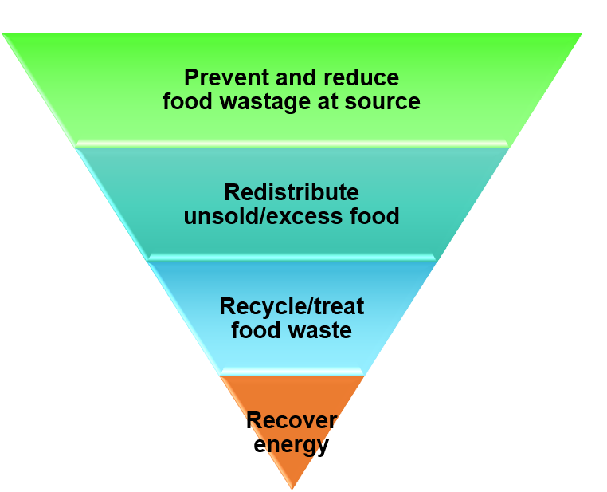
Food waste management hierarchy

